Pictures
MK161268 | MK162548 | MK262952 | MK162544 | MK164949
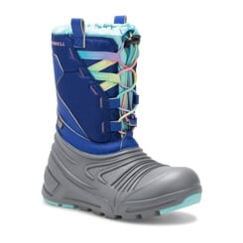 | 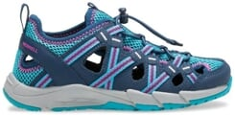 | 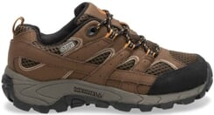 | 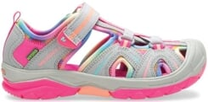 | 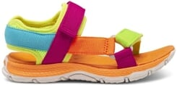
MK264947 | MK164454 | MK264453 | MK163198 | MK263196
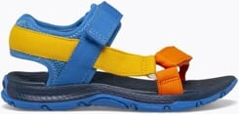 | 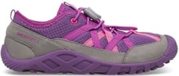 | 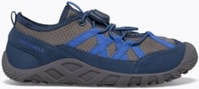 | 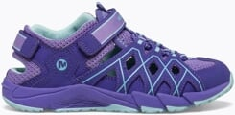 | 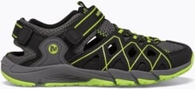
MK165245 | MK266792 | MK166794 | MK266791 | MK166749
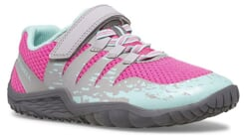 | 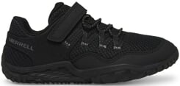 | 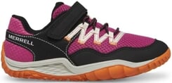 | 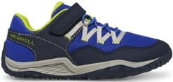 | 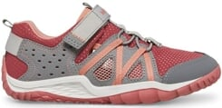
MK266973 | MK166974 | MK266770 | MK167107 | MK267146
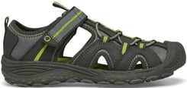 | 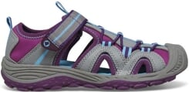 | 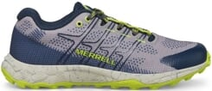 | 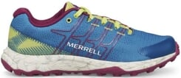 | 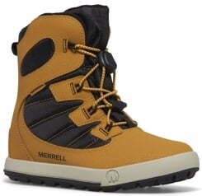
MK167147 | J60788 | J06036 | J06060 | J06038
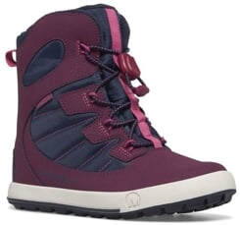 | 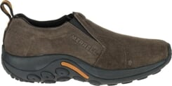 | 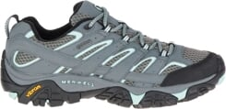 | 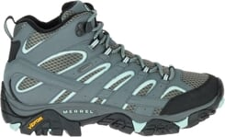 | 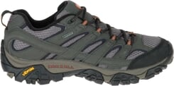
J94884 | J52850 | J19924 | J06062 | J500002
 | 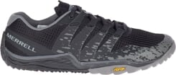 | 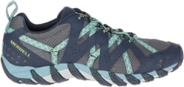 | 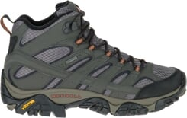 | 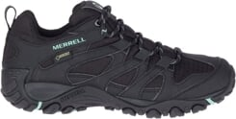
J500024 | J000938 | J034612 | J599660 | J135112
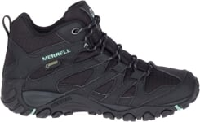 |  | 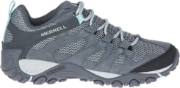 | 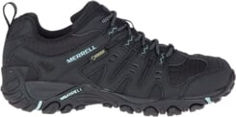 | 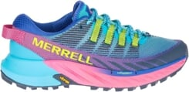
J003402 | J003422 | J003400 | J036004 | J036316
 |  |  | 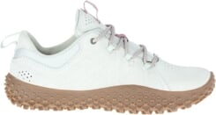 | 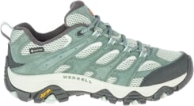
J036318 | J036320 | J036322 | J036306 | J036310
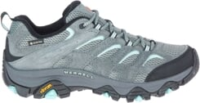 | 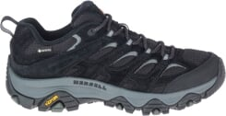 | 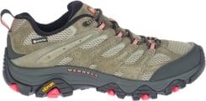 | 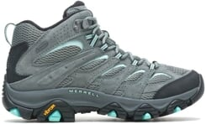 | 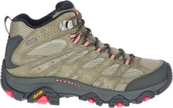
J066830 | J135372 | J135374 | J036006 | J066684
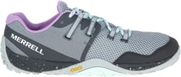 | 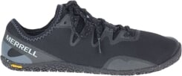 | 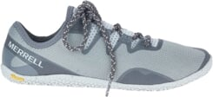 | 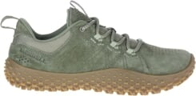
J035336 | J035344 | J036552 | J066982 | J036560
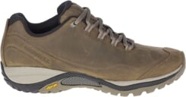 | 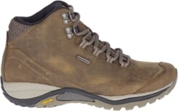 | 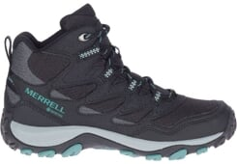 | 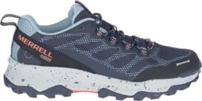 | 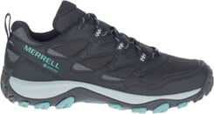
J036490 | J004080 | J035996 | J035994 | J067088
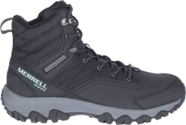
J067120 | J067224 | J067248 | J135434 | J135438

J135176 | J135182 | J135442 | J135446 | J135572

J135576 | J135564 | J135584 | J004502 | J067252

J067214 | J135216 | J135660 | J135186 | J004508

J135484 | J067498 | J036912 | J036918 | J036920

J037002 | J067372 | J067368 | J036804 | J036978

J036786 | J036788 | J036974 | J036658 | J036660

J500234 | J005282 | J036990 | J067410 | J036942

J500076 | J500230 | J500232 | J037144 | J037202

J067718 | J067720 | J067722 | J067766 | J037230

J037336 | J067724 | J037128 | J037274 | J037332

J067544 | J067548 | J067594 | J067604 | J005462

J037316 | J037356 | J067730 | J037328 | J037326

J037058 | J037122 | J037368 | J067640 | J037026

J135658 | J068086 | J037754 | J037752 | J067866

J067858 | J067896 | J067956 | J067954 | J067894

J067892 | J067890 | J60787 | J60825 | J06039

J06059 | J91805 | J91799 | J12845 | J33599

J97497 | J98407 | J5000925 | J5000503 | J500015

J500043 | J036223 | J036109 | J135427 | J066751

J066769 | J036009 | J036011 | J035881 | J035801

J036253 | J036255 | J036257 | J036263 | J036265

J035785 | J036243 | J135377 | J036003 | J036001

J135409 | J003443 | J036475 | J036519 | J036527

J036441 | J066921 | J003227 | J003361 | J500113

J067007 | J067019 | J067143 | J067039 | J135533

J135485 | J135483 | J135487 | J135175 | J135179

J135491 | J135493 | J135495 | J003803 | J067207

J135167 | J004101 | J004103 | J004105 | J067205

J035843 | J035873 | J500179 | J500205 | J034543

J135439 | J067155 | J135571 | J135583 | J135595

J066925 | J067133 | J135587 | J067141 | J003231

J500237 | J067197 | J036641 | J067519 | J036777

J036737 | J036781 | J036741 | J004405 | J036841

J067347 | J067343 | J035799 | J035791 | J067367

J004297 | J004301 | J035601 | J035603 | J035893

J036749 | J067285 | J067299 | J036577 | J036753

J036579 | J005007 | J005009 | J036949 | J037151

J067663 | J067665 | J067667 | J067765 | J067543

J037037 | J067655 | J067659 | J037025 | J036943

J067691 | J037147 | J067463 | J067461 | J004853

J067567 | J036939 | J037181 | J037179 | J067679

J036909 | J037177 | J036987 | J036991 | J067487

J067715 | J037369 | J037479 | J068043 | J067757

J067755 | J067747 | J037753 | J037751 | J037339

J067875 | J004535 | J004533 | J067837 | J067831

J067939 | J067863 | J067937 | J067867 | J067865

J000118 | J001228 | J033730 | J033734 | J90432

J003282 | J003284 | J002712 | J003276 | J004380

J500332 | J005660 | J005444 | J342315C | J000783

J000789 | J002715 | J004161 | J036871 | J036873

ML263130 | ML163132

